Sheet1
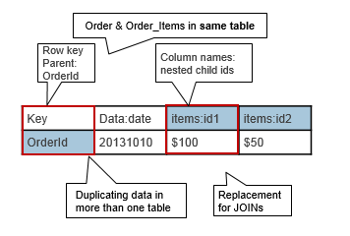
 | Column Family: Title |  |  |  |  | Column Family: Series |  |  | Column Family Author |  |  |  |  |  | Column Family - Publisher&Misc.
RowKey | Title | Topic | Sub-topic ID1 | Subtopic ID2 | Subtopic ID N | Series | Series Title | Series Number | Author id 1 | Author Id 2 | Author ID N | Author Affiliation id1 | Author Affiliation ID 2 | Author Affiliation ID 3 | Publisher | Reprint Edition | Language | ISBN nested | Product Dimensions
Title + Edition Number |  |  |  |  |  | Yes or no |  |  | Can have multiple values |  |  | must point towards author value | must point towards author value | must point towards author value |  |  | stores actual language and paperback v hard back | Can have multiple values

 |  |  | Note - One Row per Reprint edition |  |  | Can optimize searches by series yes or no
 |  |  | Notes - If Series Yes, series title and series number MUST be populated
 |  |  | Notes - Affiliation NOT required, and authors can have multiple affiliation |  |  |  |  | key for affiliates must be the author Key
 |  |  | Notes - If edition is ever unknown, we need to identify if there are any unknown edition rows, and increment by 1
 |  |  | Searches are expected to by:
 |  |  | Author
 |  |  | Series |  |  |  |  | Do I need to outline what to use as the key for each value?
 |  |  | Topic
 |  |  | Title

 |  |  | Title + Reprint edition? |  |  |  |  |  |  | Mood (string) | gender (binary) | Size (categorical)
 |  |  |  |  |  |  |  |  | Courtney | Sleepy (9am), sleeping (7am), gaming (12am) | Girl | Null
 |  |  |  |  |  |  |  |  | Kenneth | Null | Boy | Big
 |  |  | Each row key is the title and the reprint edition as a hash?
 |  |  | then Sub topic is nested within topic family |  |  |  |  |  | Courtney - (Mood : Sleep, Gender : Girl)
 |  |  |  |  |  |  |  |  | Kenneth (gender : boy, Size:gigantic)

 |  |  | Thus the general rule is to group columns that will be queried together into the same column family and allow the number of columns in a column family to be dynamic among records if you wish.

 |  |  |  |  |  |  |  | https://mapr.com/blog/guidelines-hbase-schema-design/

